May 18 ATV (Current)
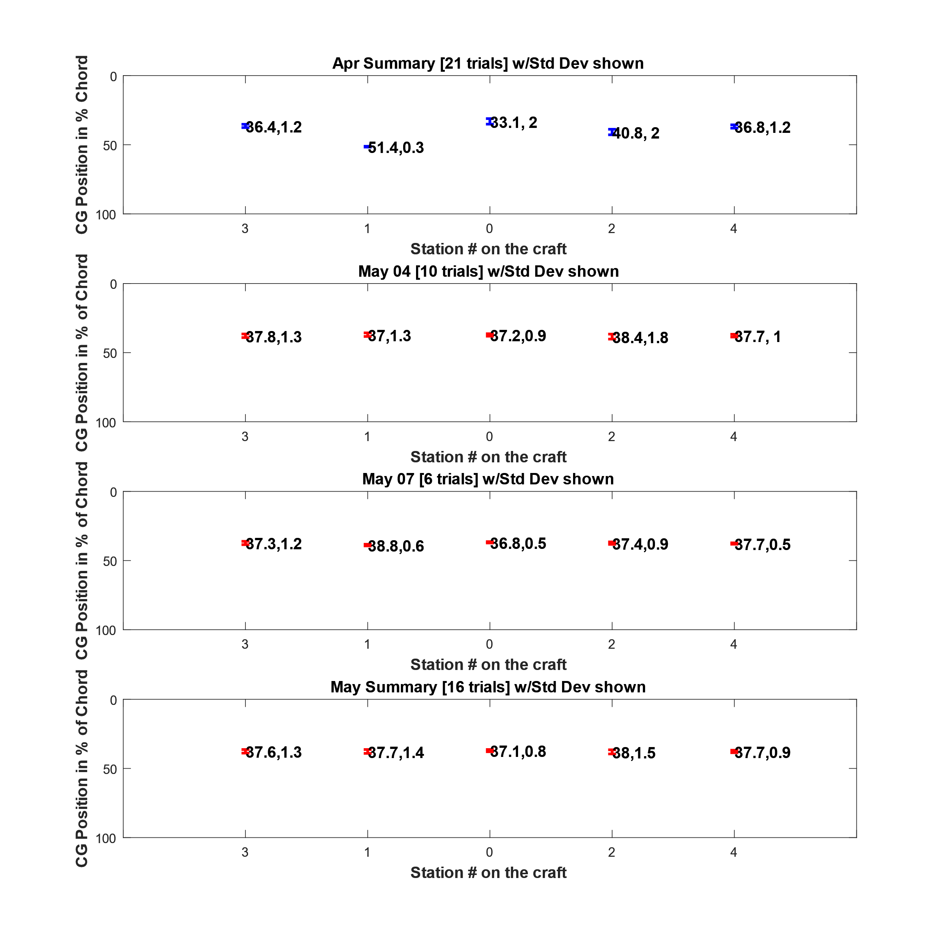
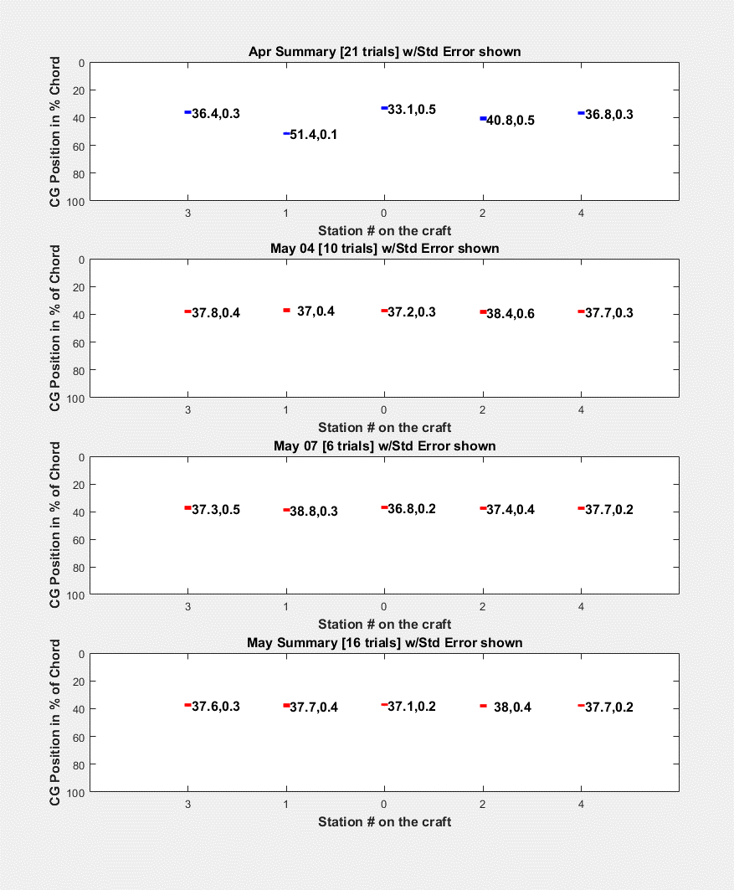
Description | 2018-04-05 |  |  |  |  |  |  |  |  |  | AVG | STDDEV | 2018-07-05 |  |  |  |  |  | AVG | STDDEV
Mass #3 Front [g] | 339.5 | 334.7 | 284.9 | 342.5 | 353.3 | 349.8 | 281.4 | 297.8 | 322.9 | 387.9 | 329.5 | 31.7 | 338.1 | 307.8 | 343.5 | 363.0 | 373.2 | 316.2 | 340.3 | 23.27
Mass #1 Front [g] | 257 | 285 | 305 | 316 | 257 | 299 | 334 | 311 | 291 | 229 | 288.4 | 30.4 | 254 | 269 | 254 | 240 | 255 | 254 | 254.3 | 8.38
Mass #0 Front [g] | 487.8 | 500.4 | 537 | 489.1 | 525.4 | 456.5 | 571.1 | 484.4 | 482.3 | 526.2 | 506.0 | 31.8 | 517 | 551.6 | 523.5 | 494.9 | 494.3 | 523.2 | 517.4 | 19.50
Mass #2 Front [g] | 346.5 | 254.8 | 264.9 | 226.7 | 229.2 | 250.2 | 234.4 | 328 | 279.3 | 238.1 | 265.2 | 39.4 | 297.1 | 293 | 283.2 | 298.6 | 247.6 | 303.5 | 287.2 | 18.76
Mass #4 Front [g] | 288.4 | 324.7 | 307.6 | 348 | 343.4 | 363.4 | 292 | 299.1 | 347.7 | 344.4 | 325.9 | 25.7 | 319.5 | 316.6 | 319.7 | 317.1 | 349.6 | 331.7 | 325.7 | 11.82
Sum Front [g] | 1719.2 | 1699.6 | 1699.4 | 1722.3 | 1708.3 | 1718.9 | 1712.9 | 1720.3 | 1723.2 | 1725.6 | 1715.0 | 9.1 | 1725.7 | 1738.0 | 1723.9 | 1713.6 | 1719.7 | 1728.6 | 1724.9 | 7.55
Mass #3 Rear [g] | 1943.4 | 1904.1 | 1904.5 | 1842.2 | 1854.8 | 1839.1 | 1900 | 1910.3 | 1898.5 | 1839.5 | 1883.6 | 34.8 | 1896.5 | 1899.4 | 1885.8 | 1812.8 | 1806.9 | 1893.4 | 1865.8 | 39.82
Mass #1 Rear [g] | 1429 | 1515 | 1587 | 1541 | 1580 | 1586 | 1540 | 1540 | 1535 | 1559 | 1541.2 | 43.9 | 1528 | 1564 | 1563 | 1647 | 1639 | 1576 | 1586.2 | 42.83
Mass #0 Rear [g] | 2757.5 | 2715.3 | 2688.6 | 2782.3 | 2749 | 2791 | 2688.4 | 2742.8 | 2793.2 | 2775.5 | 2748.4 | 37.5 | 2722.2 | 2718.1 | 2728.8 | 2734.6 | 2745.7 | 2724.7 | 2729.0 | 9.07
Mass #2 Rear [g] | 1681.5 | 1661.8 | 1556.4 | 1629.2 | 1595.5 | 1552.8 | 1611.4 | 1541.9 | 1519.1 | 1604.7 | 1595.4 | 50.3 | 1649.9 | 1546.1 | 1546.1 | 1581.7 | 1578.1 | 1577.4 | 1579.9 | 34.64
Mass #4 Rear [g] | 1800.7 | 1832.6 | 1890.7 | 1814.4 | 1845.9 | 1841.5 | 1880 | 1876.5 | 1862.3 | 1829.3 | 1847.4 | 28.0 | 1808.6 | 1862.9 | 1881.7 | 1837.5 | 1840.2 | 1827.9 | 1843.1 | 23.60
Sum Rear [g] | 9612.1 | 9628.8 | 9627.2 | 9609.1 | 9625.2 | 9610.4 | 9619.8 | 9611.5 | 9608.1 | 9608.0 | 9616.0 | 7.9 | 9605.2 | 9590.5 | 9605.4 | 9613.6 | 9609.9 | 9599.4 | 9604.0 | 7.46
Total Mass [g] | 11331.3 | 11328.4 | 11326.6 | 11331.4 | 11333.5 | 11329.3 | 11332.7 | 11331.8 | 11331.3 | 11333.6 | 11331.0 | 2.1 | 11330.9 | 11328.5 | 11329.3 | 11327.2 | 11329.6 | 11328.0 | 11328.9 | 1.19
XCG | 0.375 | 0.377 | 0.377 | 0.375 | 0.376 | 0.375 | 0.376 | 0.375 | 0.375 | 0.375 | 0.376 | 0.001 | 0.375 | 0.374 | 0.375 | 0.376 | 0.375 | 0.375 | 0.375 | 0.001
Total Mass #3 [g] | 2282.90 | 2238.80 | 2189.40 | 2184.70 | 2208.10 | 2188.90 | 2181.40 | 2208.10 | 2221.40 | 2227.40 | 2213.1 | 29.7 | 2234.60 | 2207.20 | 2229.30 | 2175.80 | 2180.10 | 2209.60 | 2206.1 | 22.20
Total Mass #1 [g] | 1686.00 | 1800.00 | 1892.00 | 1857.00 | 1837.00 | 1885.00 | 1874.00 | 1851.00 | 1826.00 | 1788.00 | 1829.6 | 57.8 | 1782.00 | 1833.00 | 1817.00 | 1887.00 | 1894.00 | 1830.00 | 1840.5 | 39.08
Total Mass #0 [g] | 3245.30 | 3215.70 | 3225.60 | 3271.40 | 3274.40 | 3247.50 | 3259.50 | 3227.20 | 3275.50 | 3301.70 | 3254.4 | 25.7 | 3239.20 | 3269.70 | 3252.30 | 3229.50 | 3240.00 | 3247.90 | 3246.4 | 12.64
Total Mass #2 [g] | 2028.00 | 1916.60 | 1821.30 | 1855.90 | 1824.70 | 1803.00 | 1845.80 | 1869.90 | 1798.40 | 1842.80 | 1860.6 | 64.7 | 1947.00 | 1839.10 | 1829.30 | 1880.30 | 1825.70 | 1880.90 | 1867.1 | 42.18
Total Mass #4 [g] | 2089.10 | 2157.30 | 2198.30 | 2162.40 | 2189.30 | 2204.90 | 2172.00 | 2175.60 | 2210.00 | 2173.70 | 2173.3 | 32.7 | 2128.10 | 2179.50 | 2201.40 | 2154.60 | 2189.80 | 2159.60 | 2168.8 | 24.36
Xcg S3 (%) | 37.82 | 37.75 | 39.53 | 37.08 | 36.78 | 36.80 | 39.63 | 39.09 | 38.13 | 35.48 | 37.8 | 1.3 | 37.58 | 38.67 | 37.32 | 36.15 | 35.75 | 38.33 | 37.3 | 1.06
Xcg S1 (%) | 37.48 | 36.93 | 36.67 | 35.84 | 38.63 | 36.91 | 35.10 | 36.04 | 36.84 | 39.72 | 37.0 | 1.3 | 38.39 | 38.00 | 38.64 | 39.80 | 39.11 | 38.73 | 38.8 | 0.57
Xcg S0 (%) | 37.67 | 37.18 | 36.18 | 37.75 | 36.74 | 38.57 | 35.38 | 37.69 | 37.95 | 36.84 | 37.2 | 0.9 | 36.82 | 35.98 | 36.69 | 37.40 | 37.46 | 36.68 | 36.8 | 0.50
Xcg S2 (%) | 35.78 | 39.27 | 38.12 | 40.26 | 39.94 | 38.73 | 39.82 | 35.36 | 37.21 | 39.61 | 38.4 | 1.7 | 37.46 | 36.84 | 37.26 | 36.89 | 39.02 | 36.65 | 37.4 | 0.79
Xcg S4 (%) | 38.80 | 37.65 | 38.63 | 36.69 | 37.07 | 36.34 | 39.13 | 38.85 | 37.03 | 36.92 | 37.7 | 1.0 | 37.69 | 38.14 | 38.14 | 37.96 | 36.81 | 37.37 | 37.7 | 0.47
YCG | -0.02 | -0.02 | -0.02 | -0.02 | -0.02 | -0.02 | -0.02 | -0.02 | -0.02 | -0.02 | -0.02 | 0.00 | -0.02 | -0.02 | -0.02 | -0.02 | -0.02 | -0.02 | -0.02 | 0.00

May 18 RRV (Current)
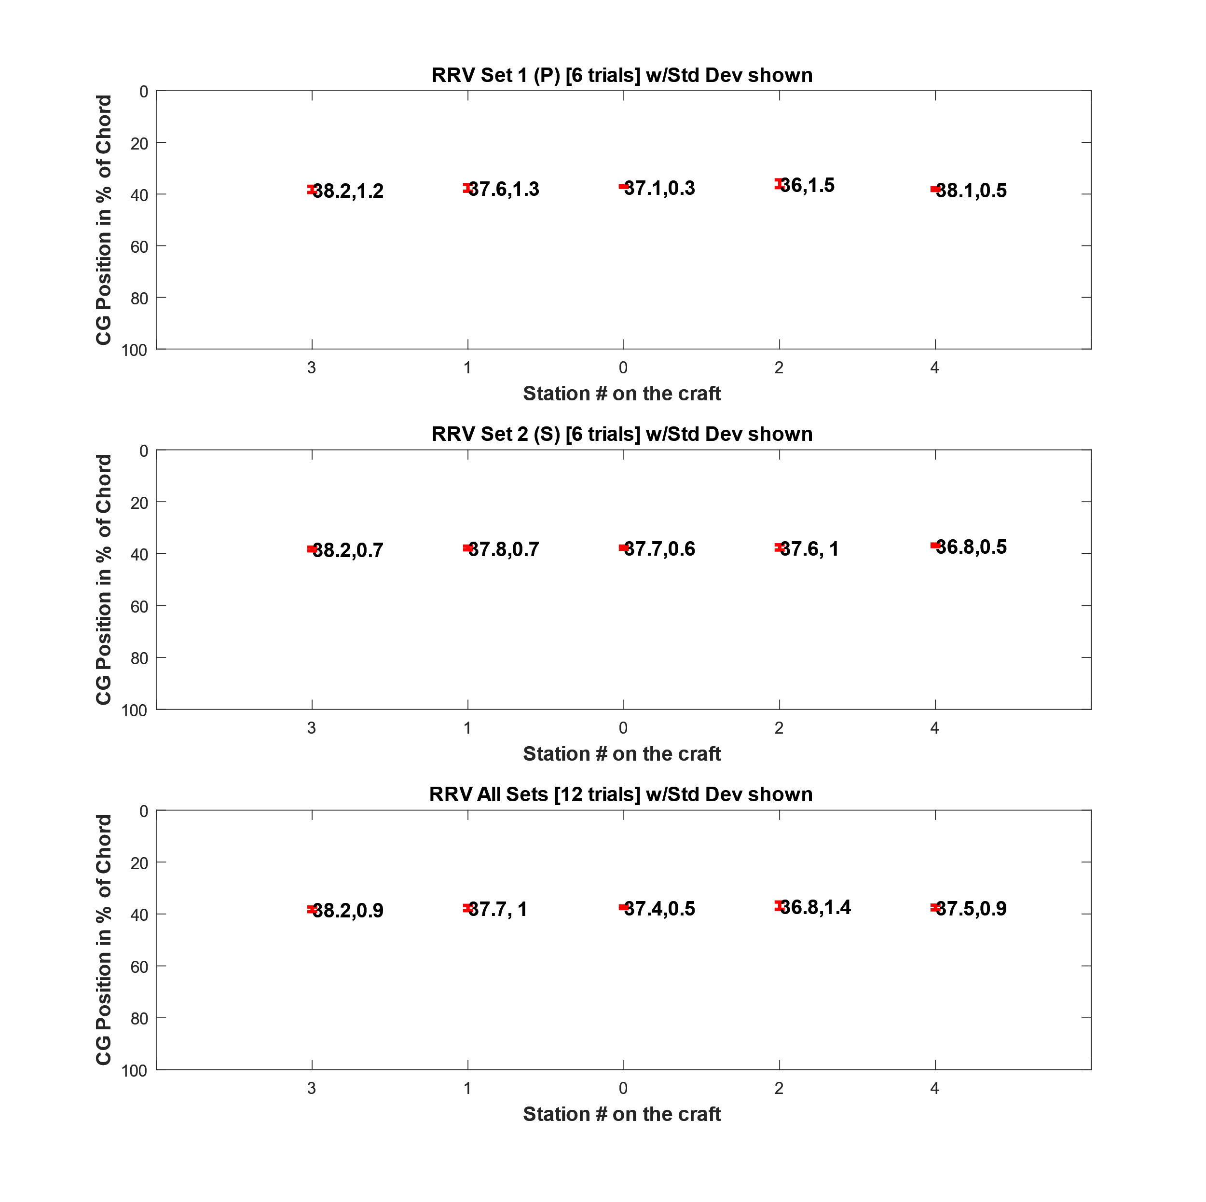
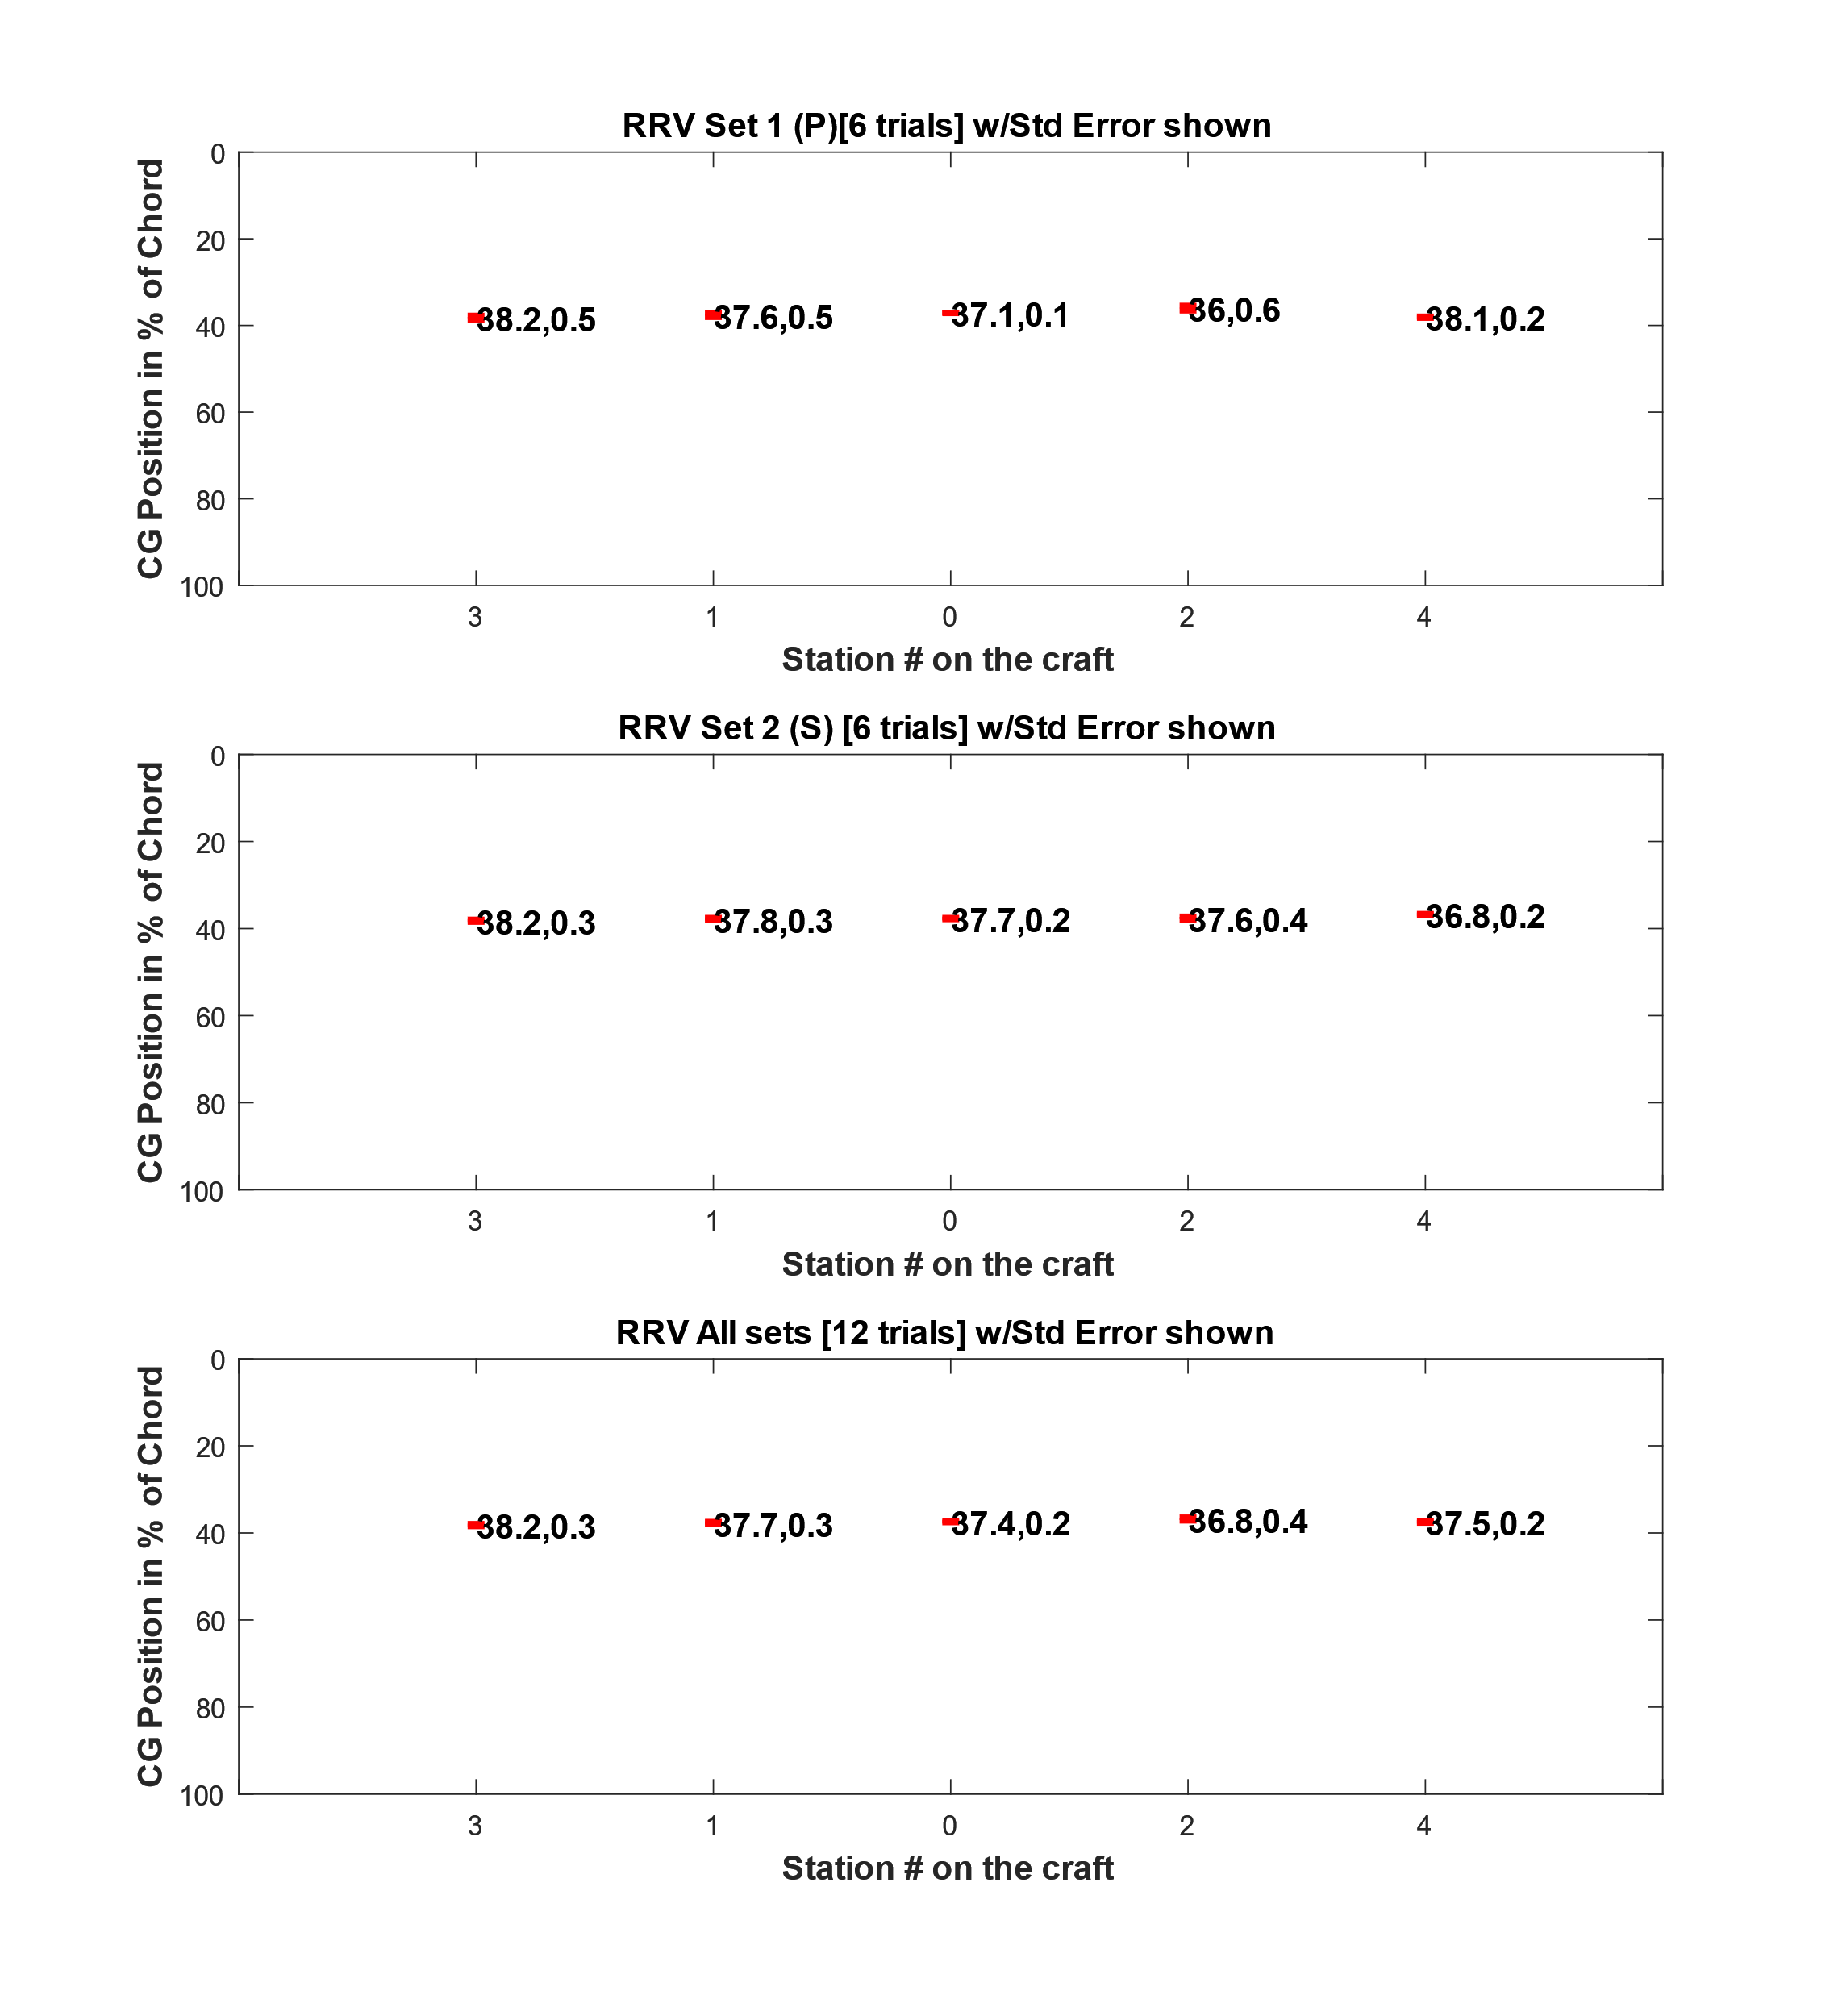
Description | Set 1 |  |  |  |  |  | AVG | STDDEV | Set 2 |  |  |  |  |  | AVG | STDDEV
Mass #3 Front [g] | 353.3 | 335.6 | 352.2 | 287 | 284.2 | 309.5 | 320.30 | 28.49 | 321.5 | 294.5 | 307.3 | 336.7 | 327.6 | 330 | 319.60 | 14.43
Mass #1 Front [g] | 257 | 274 | 235 | 329 | 308 | 289 | 282.00 | 31.18 | 275 | 261 | 245 | 294 | 283 | 271 | 271.50 | 15.62
Mass #0 Front [g] | 514.9 | 506.2 | 504.6 | 497.7 | 486.9 | 494 | 500.72 | 9.05 | 475.9 | 515 | 513.3 | 456.9 | 471.8 | 479.8 | 485.45 | 21.50
Mass #2 Front [g] | 279 | 305.2 | 331.4 | 268.4 | 352.3 | 333.1 | 311.57 | 30.22 | 304.2 | 305.3 | 310.5 | 274.4 | 270.8 | 260.8 | 287.67 | 19.53
Mass #4 Front [g] | 313.6 | 327.1 | 325.2 | 342.5 | 317.2 | 301.0 | 321.10 | 12.82 | 345.8 | 328.4 | 329.9 | 355.6 | 349.1 | 366.4 | 345.87 | 13.46
Sum Front [g] | 1717.8 | 1748.1 | 1748.4 | 1724.6 | 1748.6 | 1726.6 | 1735.68 | 12.96 | 1722.4 | 1704.2 | 1706.0 | 1717.6 | 1702.3 | 1708.0 | 1710.08 | 7.35
Mass #3 Rear [g] | 1832.8 | 1860.2 | 1934.1 | 1876.8 | 1898.9 | 1956.4 | 1893.20 | 42.24 | 1905.1 | 1920.8 | 1884.4 | 1835.7 | 1891 | 1906.7 | 1890.62 | 27.18
Mass #1 Rear [g] | 1624 | 1599 | 1495 | 1679 | 1561 | 1492 | 1575.00 | 67.43 | 1551 | 1544 | 1555 | 1581 | 1547 | 1535 | 1552.17 | 14.31
Mass #0 Rear [g] | 2706.1 | 2701.2 | 2747.7 | 2624 | 2757.3 | 2704 | 2706.72 | 43.05 | 2726.1 | 2740.4 | 2788.8 | 2768.6 | 2754.6 | 2744.1 | 2753.77 | 20.35
Mass #2 Rear [g] | 1566 | 1563.1 | 1513.5 | 1508.1 | 1507.9 | 1538.3 | 1532.82 | 24.68 | 1596 | 1600.3 | 1602.9 | 1639.7 | 1600.9 | 1616.3 | 1609.35 | 14.96
Mass #4 Rear [g] | 1884 | 1863.2 | 1893.9 | 1910.7 | 1861.2 | 1908.5 | 1886.92 | 19.63 | 1832.5 | 1826.3 | 1797.2 | 1790.3 | 1838.3 | 1822.4 | 1817.83 | 17.84
Sum Rear [g] | 9612.9 | 9586.7 | 9584.2 | 9598.6 | 9586.3 | 9599.2 | 9594.65 | 10.10 | 9610.7 | 9631.8 | 9628.3 | 9615.3 | 9631.8 | 9624.5 | 9623.73 | 8.09
Total Mass [g] | 11330.7 | 11334.8 | 11332.6 | 11323.2 | 11334.9 | 11325.8 | 11330.33 | 4.43 | 11333.1 | 11336.0 | 11334.3 | 11332.9 | 11334.1 | 11332.5 | 11333.82 | 1.17
XCG | 0.376 | 0.373 | 0.373 | 0.375 | 0.373 | 0.375 | 0.374 | 0.00 | 0.375 | 0.377 | 0.377 | 0.376 | 0.377 | 0.376 | 0.376 | 0.00
Total Mass #3 [g] | 2186.10 | 2195.80 | 2286.30 | 2163.80 | 2183.10 | 2265.90 | 2213.50 | 45.65 | 2226.60 | 2215.30 | 2191.70 | 2172.40 | 2218.60 | 2236.70 | 2210.22 | 21.75
Total Mass #1 [g] | 1881.00 | 1873.00 | 1730.00 | 2008.00 | 1869.00 | 1781.00 | 1857.00 | 87.26 | 1826.00 | 1805.00 | 1800.00 | 1875.00 | 1830.00 | 1806.00 | 1823.67 | 25.50
Total Mass #0 [g] | 3221.00 | 3207.40 | 3252.30 | 3121.70 | 3244.20 | 3198.00 | 3207.43 | 42.79 | 3202.00 | 3255.40 | 3302.10 | 3225.50 | 3226.40 | 3223.90 | 3239.22 | 32.12
Total Mass #2 [g] | 1845.00 | 1868.30 | 1844.90 | 1776.50 | 1860.20 | 1871.40 | 1844.38 | 32.04 | 1900.20 | 1905.60 | 1913.40 | 1914.10 | 1871.70 | 1877.10 | 1897.02 | 16.74
Total Mass #4 [g] | 2197.60 | 2190.30 | 2219.10 | 2253.20 | 2178.40 | 2209.50 | 2208.02 | 24.04 | 2178.30 | 2154.70 | 2127.10 | 2145.90 | 2187.40 | 2188.80 | 2163.70 | 22.88
Xcg S3 (%) | 36.63 | 37.44 | 37.33 | 39.30 | 39.52 | 38.93 | 38.19 | 1.10 | 38.22 | 39.27 | 38.60 | 37.24 | 37.92 | 37.93 | 38.19 | 0.63
Xcg S1 (%) | 38.93 | 38.04 | 39.00 | 36.43 | 36.34 | 36.57 | 37.55 | 1.15 | 37.64 | 38.20 | 38.98 | 37.07 | 37.27 | 37.69 | 37.81 | 0.63
Xcg S0 (%) | 36.79 | 36.98 | 37.23 | 36.83 | 37.69 | 37.29 | 37.14 | 0.31 | 37.83 | 36.95 | 37.20 | 38.47 | 38.05 | 37.81 | 37.72 | 0.51
Xcg S2 (%) | 37.59 | 36.47 | 34.97 | 37.60 | 34.08 | 35.12 | 35.97 | 1.34 | 36.77 | 36.76 | 36.57 | 38.31 | 38.19 | 38.72 | 37.55 | 0.87
Xcg S4 (%) | 38.37 | 37.76 | 38.02 | 37.52 | 38.10 | 38.97 | 38.12 | 0.46 | 36.90 | 37.48 | 37.23 | 36.25 | 36.82 | 36.10 | 36.80 | 0.49
YCG | -0.01 | -0.01 | -0.01 | -0.02 | -0.01 | -0.01 | -0.01 | 0.01 | -0.01 | -0.01 | -0.01 | -0.01 | -0.01 | -0.01 | -0.01 | 0.00

May 18 Comparison
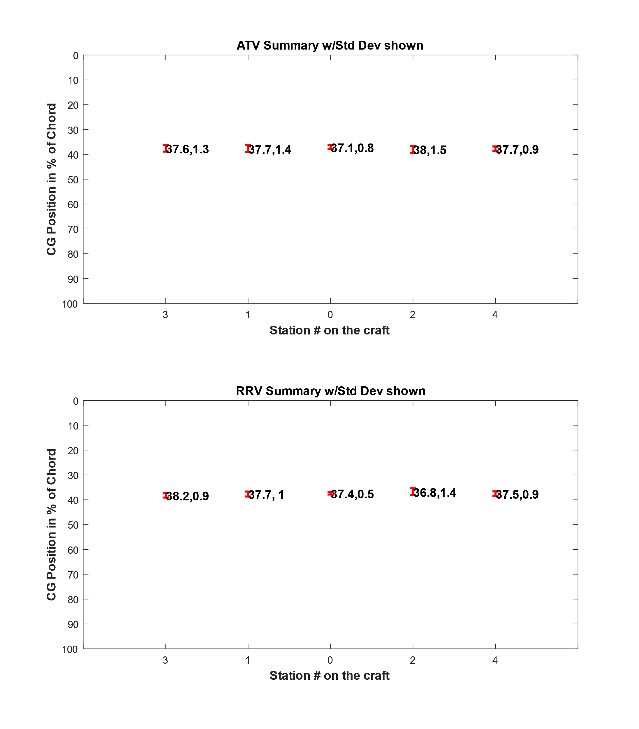

 | Overall Trends
 |  | ATV | RRV | % Difference
 | Mass [g] | 11330.2 | 11332.1 | 0.0%
 | XCG | 37.5% | 37.5% | 0.1%
 | YCG | -2.1% | -1.0% | 55.3%
MASS [g] | Spine 3 | 2210.5 | 2211.9 | 0.1%
 | Spine 1 | 1833.7 | 1840.3 | 0.4%
 | Spine 0 | 3251.4 | 3223.3 | 0.9%
 | Spine 2 | 1863.0 | 1870.7 | 0.4%
 | Spine 4 | 2171.6 | 2185.9 | 0.7%

RRV May 18
 | Mass [g] | 11332.1
 | XCG | 37.5%
 | YCG | -1.0%
MASS [g] | Spine 3 | 2211.9
 | Spine 1 | 1840.3
 | Spine 0 | 3223.3
 | Spine 2 | 1870.7
 | Spine 4 | 2185.9

ATV May 18
 | Mass [g] | 11330.2
 | XCG | 37.5%
 | YCG | -2.1%
MASS [g] | Spine 3 | 2210.5
 | Spine 1 | 1833.7
 | Spine 0 | 3251.4
 | Spine 2 | 1863.0
 | Spine 4 | 2171.6

